HG-2213B

 |  |  |  | Model : HG-2213B
LED DRIVER HG-2213B
 |  |  | Characteristic
 |  |  | · Galvanic Isolation
 |  |  | · Efficiency > 88%
 |  |  | · Power - 20W
 |  |  | · Ripple <2%

Technical Parameter
Input characteristic
Input Voltage Range | V | 100-260
Power consumption range | W | 17-24
Frequency | Hz | 50-60
Power factor correction (λ, AC 220V) | % | 0.5
Efficiency | % | >88%
Input Current (AC230V 50-60Hz) | A | <0.3
Output characteristic
Output current regulation (dimming) |  | No
Dimming characteristic linearity | % | -
Output current tolerance | % | <5%
Output Ripple | % | <2%
Current | mA | 600
Power | W | 20
Voltage | V | 25-36
No load voltage | V | 48
Protection
Short circuit protection |  | yes
Overvoltage protection |  | yes
Overload protection |  | yes
Operating and storage conditions
Working temperature range | °С | - 20 ~ 50
Storage temperature range | °С | - 50~ 80
Maximum temperature enclosure | °С | 55
Allowable humidity | % | 5 ~ 95%(no condensation)
Degree of protection |  | IP00
Safety
heat shrink tube insulation |  | yes
Breakdown voltage AC (input output), (input ground), (output ground) | KW | ≤ 2,0
Insulation resistance between conductive part and shell | MΩ | ≥ 200
Standard
Electromagnetic compatibility (electromagnetic stability) |  | -
Others
Mean time to failure (MTBF) (85 ° C) | Hours | 50000
Overall dimension (length x width x height) | mm
Weight | kg | 0.038kg
- The main parameters of the product are measured under 220V power supply voltage,full load of power output and 25 ° C ambient temperature.

Power factor characteristics(load 36Vdc)
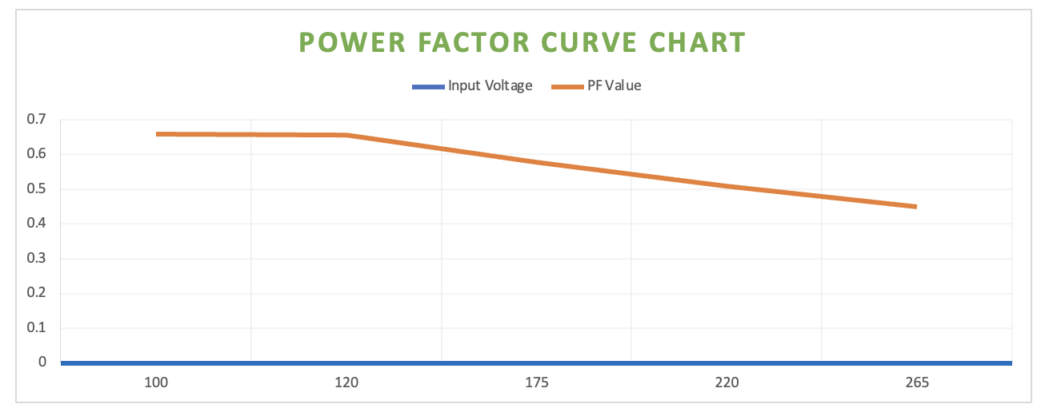

Efficiency characteristics( Input Voltage 220Vac)
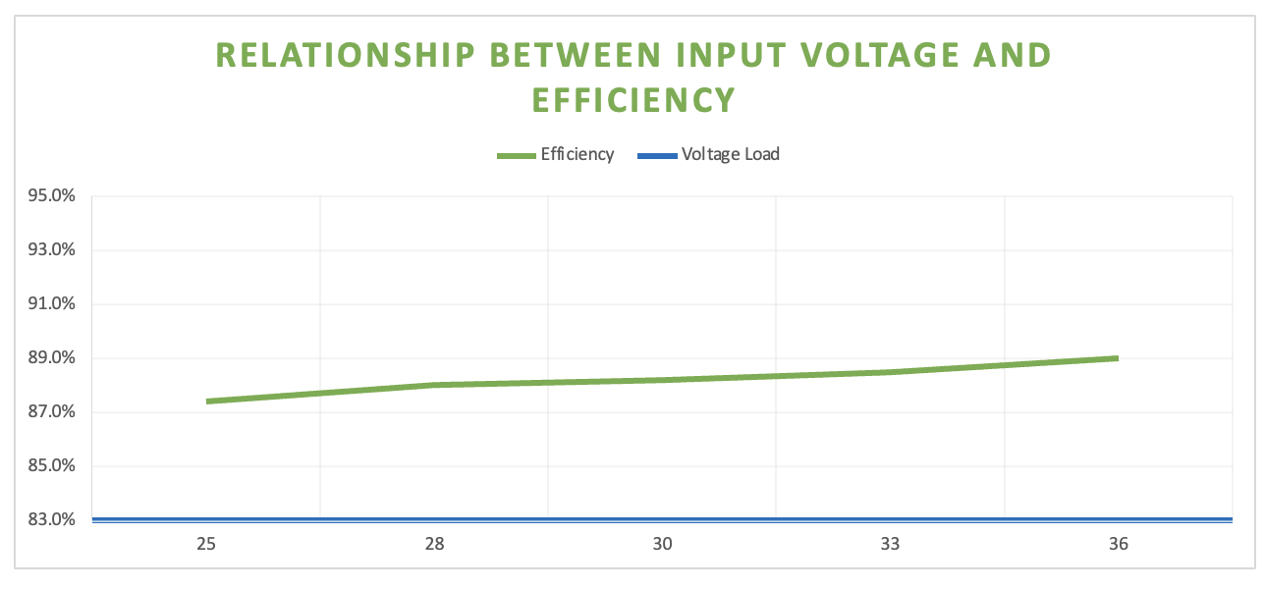

Phone : +7 495 369-20-39 Website : www.minifermer.ru Email : info@minifermer.ru

HG- D36
 |  |  |  | Model : HG-D36
LED DRIVER HG-D36
 |  |  | Characteristic
 |  |  | · Galvanic Isolation
 |  |  | · Efficiency > 88%
 |  |  | · Power - 30W
 |  |  | · Ripple 《5%

Technical Parameter
Input characteristic
Input Voltage Range | V | 100-260
Power consumption range | W | 25-43
Frequency | Hz | 50-60
Power factor correction (λ, AC 220V) | % | 0.5
Efficiency | % | 89%
Input Current (AC230V 50-60Hz) | A | <0.5
Output characteristic
Output current regulation (dimming) |  | No
Dimming characteristic linearity | % | -
Output current tolerance | % | <5%
Output Ripple | % | 《5%
Current | mA | 600
Power | W | 20
Voltage | V | 36-63
No load voltage | V | 66
Protection
Short circuit protection |  | yes
Overvoltage protection |  | yes
Overload protection |  | yes
Operating and storage conditions
Working temperature range | °С | - 20 ~ 50
Storage temperature range | °С | - 50~ 80
Maximum temperature enclosure | °С | 55
Allowable humidity | % | 5 ~ 95%(no condensation)
Degree of protection |  | IP00
Safety
heat shrink tube insulation |  | yes
Breakdown voltage AC (input output), (input ground), (output ground) | KW | ≤ 2,0
Insulation resistance between conductive part and shell | MΩ | ≥ 200
Standard
Electromagnetic compatibility (electromagnetic stability) |  | -
Others
Mean time to failure (MTBF) (85 ° C) | Hours | 50000
Overall dimension (length x width x height) | mm
Weight | kg | 0.115kg
- The main parameters of the product are measured under 220V power supply voltage,full load of power output and 25 ° C ambient temperature.

Power factor characteristics(load 63Vdc)
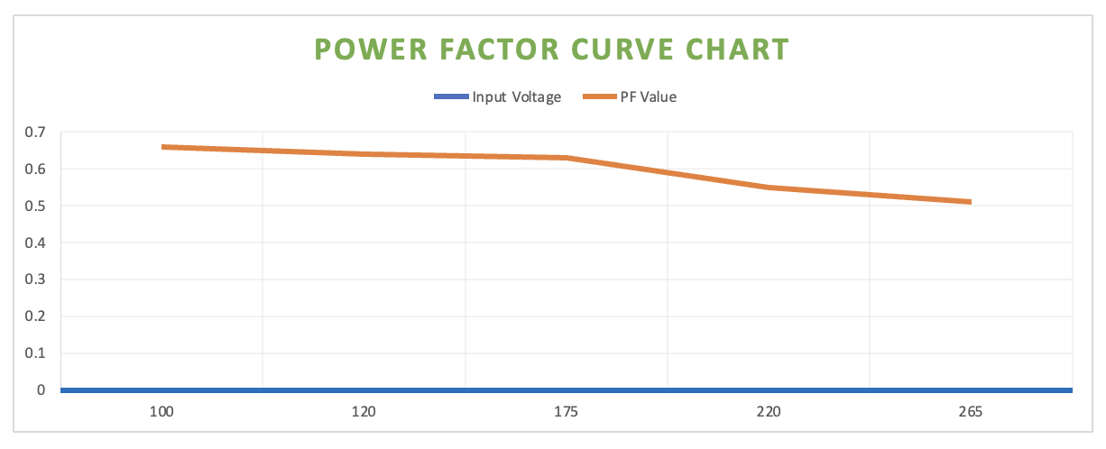

Efficiency characteristics( Input Voltage 220Vac)

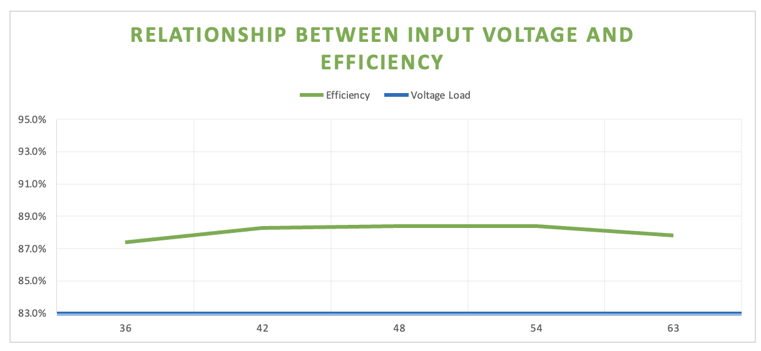

Phone : +7 495 369-20-39 Website : www.minifermer.ru Email : info@minifermer.ru

HG- D42
 |  |  |  |  | Model : HG-D42
LED DRIVER HG-D42
 |  |  |  | Characteristic
 |  |  |  | · Galvanic Isolation
 |  |  |  | · Efficiency > 90%
 |  |  |  | · Power - 50W
 |  |  |  | · Ripple <2%

Technical Parameter
Input characteristic
Input Voltage Range | V | 100-260
Power consumption range | W | 35-55
Frequency | Hz | 50-60
Power factor correction (λ, AC 220V) | % | 0.5
Efficiency | % | 91%
Input Current (AC230V 50-60Hz) | A | <0.5
Output characteristic
Output current regulation (dimming) |  | No
Dimming characteristic linearity | % | -
Output current tolerance | % | <5%
Output Ripple | % | <2%
Current | mA | 600
Power | W | 20
Voltage | V | 54-85
No load voltage | V | 90
Protection
Short circuit protection |  | yes
Overvoltage protection |  | yes
Overload protection |  | yes
Operating and storage conditions
Working temperature range | °С | - 20 ~ 50
Storage temperature range | °С | - 50~ 80
Maximum temperature enclosure | °С | 55
Allowable humidity | % | 5 ~ 95%(no condensation)
Degree of protection |  | IP00
Safety
heat shrink tube insulation |  | yes
Breakdown voltage AC (input output), (input ground), (output ground) | KW | ≤ 2,0
Insulation resistance between conductive part and shell | MΩ | ≥ 200
Standard
Electromagnetic compatibility (electromagnetic stability) |  | -
Others
Mean time to failure (MTBF) (85 ° C) | Hours | 50000
Overall dimension (length x width x height) | mm | L94*W23*H20
Weight | kg | 0.1kg
- The main parameters of the product are measured under 220V power supply voltage,full load of power output and 25 ° C ambient temperature.

Power factor characteristics(load 85Vdc)
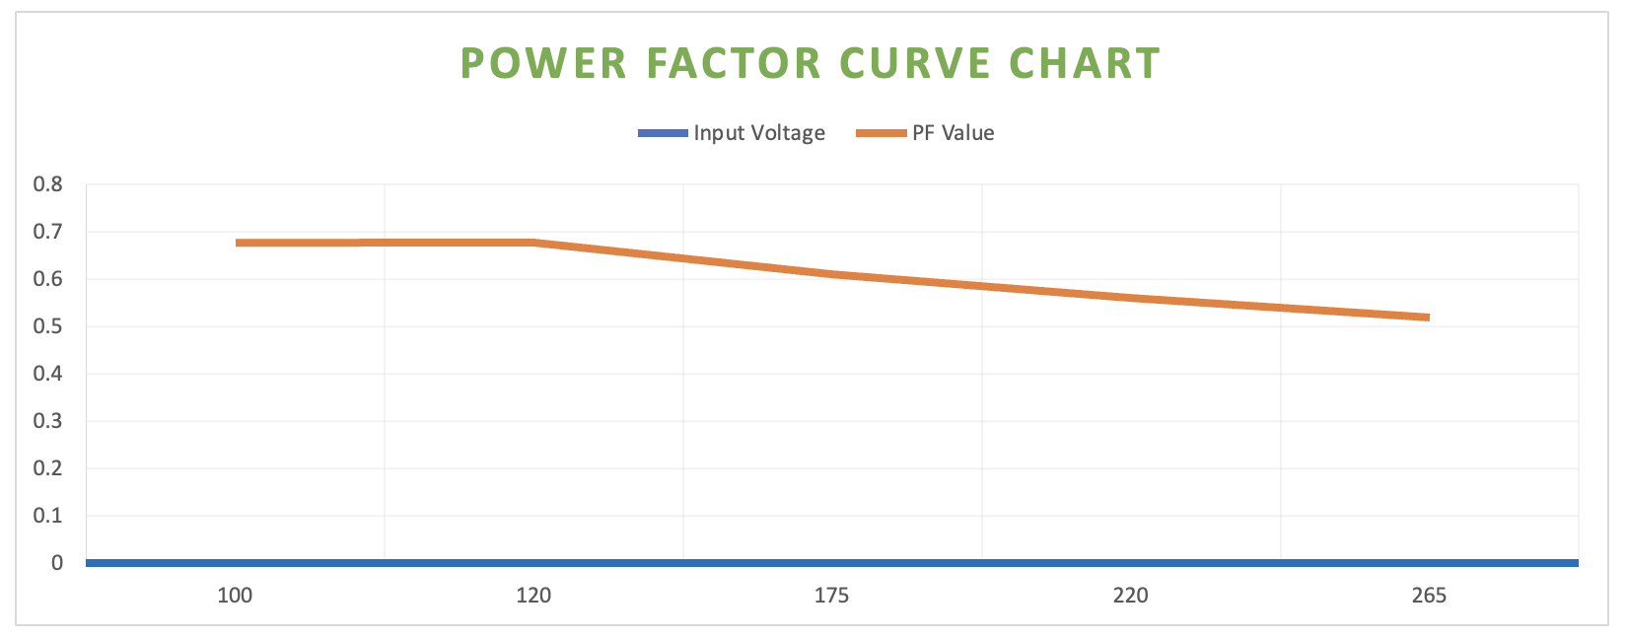

Efficiency characteristics( Input Voltage 220Vac)

relationship between iNPut Voltage and Efficiency
 | Efficiency | Voltage Load
54 | 91.4% | 54
61 | 91.7% | 61
68 | 91.1% | 68
75 | 90.7% | 75
85 | 91.0% | 85

Phone : +7 495 369-20-39 Website : www.minifermer.ru Email : info@minifermer.ru

Input Voltage | PF Value |  | Efficiency | Voltage Load
100 | 0.678 |  | 91.4% | 54
120 | 0.679 |  | 91.7% | 61
175 | 0.61 |  | 91.1% | 68
220 | 0.56 |  | 90.7% | 75
265 | 0.52 |  | 91.0% | 85

HG-D250
 |  |  |  | Model : HG-D250
LED DRIVER HG-D250
 |  |  | Characteristic
 |  |  | · Galvanic Isolation
 |  |  | · Efficiency > 90%
 |  |  | · Power - 60W
 |  |  | · Ripple < 3%

Technical Parameter
Input characteristic
Input Voltage Range | V | 100-260
Power consumption range | W | 45-53
Frequency | Hz | 50-60
Power factor correction (λ, AC 220V) | % | 0.5
Efficiency | % | 90.0%
Input Current (AC230V 50-60Hz) | A | <0.6
Output characteristic
Output current regulation (dimming) |  | No
Dimming characteristic linearity | % | -
Output current tolerance | % | <5%
Output Ripple | % | <3%
Current | mA | 1300
Power | W | 60
Voltage | V | 30-48
No load voltage | V | 55
Protection
Short circuit protection |  | yes
Overvoltage protection |  | yes
Overload protection |  | yes
Operating and storage conditions
Working temperature range | °С | - 20 ~ 50
Storage temperature range | °С | - 50~ 80
Maximum temperature enclosure | °С | 55
Allowable humidity | % | 5 ~ 95%(no condensation)
Degree of protection |  | IP00
Safety
heat shrink tube insulation |  | yes
Breakdown voltage AC (input output), (input ground), (output ground) | KW | ≤ 2,0
Insulation resistance between conductive part and shell | MΩ | ≥ 200
Standard
Electromagnetic compatibility (electromagnetic stability) |  | -
Others
Mean time to failure (MTBF) (85 ° C) | Hours | 50000
Overall dimension (length x width x height) | mm | 104x34x24
Weight | kg | 0.115kg
- The main parameters of the product are measured under 220V power supply voltage,full load of power output and 25 ° C ambient temperature.

Power factor characteristics(load 48Vdc)
Power Factor curve chart
 | Input Voltage | PF Value
100 | 0.65 | 0.65
120 | 0.635 | 0.635
175 | 0.56 | 0.56
220 | 0.52 | 0.52
265 | 0.493 | 0.493

Efficiency characteristics( Input Voltage 220Vac)

relationship between iNPut Voltage and Efficiency
 | Efficiency | Voltage Load
30 | 87.9% | 30
34.5 | 88.1% | 34.5
39 | 89.2% | 39
43.5 | 89.3% | 43.5
48 | 90.0% | 48

Phone : +7 495 369-20-39 Website : www.minifermer.ru Email : info@minifermer.ru

HG-PC-D36
 |  |  |  |  | Model : HG-PC-D36
LED DRIVER HG-PC-D36
 |  |  |  | Characteristic
 |  |  |  | · Galvanic Isolation
 |  |  |  | · Efficiency > 88%
 |  |  |  | · Power - 30W
 |  |  |  | · Ripple 《5%

Technical Parameter
Input characteristic
Input Voltage Range | V | 100-260
Power consumption range | W | 25-43
Frequency | Hz | 50-60
Power factor correction (λ, AC 220V) | % | 0.5
Efficiency | % | 89%
Input Current (AC230V 50-60Hz) | A | <0.5
Output characteristic
Output current regulation (dimming) |  | No
Dimming characteristic linearity | % | -
Output current tolerance | % | <5%
Output Ripple | % | 《5%
Current | mA | 600
Power | W | 20
Voltage | V | 36-63
No load voltage | V | 66
Protection
Short circuit protection |  | yes
Overvoltage protection |  | yes
Overload protection |  | yes
Operating and storage conditions
Working temperature range | °С | - 20 ~ 50
Storage temperature range | °С | - 50~ 80
Maximum temperature enclosure | °С | 75
Allowable humidity | % | 5 ~ 95%(no condensation)
Degree of protection |  | IP20
Safety
heat shrink tube insulation |  | yes
Breakdown voltage AC (input output), (input ground), (output ground) | KW | ≤ 2,0
Insulation resistance between conductive part and shell | MΩ | ≥ 200
Standard
Electromagnetic compatibility (electromagnetic stability) |  | -
Others
Mean time to failure (MTBF) (85 ° C) | Hours | 50000
Overall dimension (length x width x height) | mm | L86*W26*32mm
Weight | kg | 0.115kg
- The main parameters of the product are measured under 220V power supply voltage,full load of power output and 25 ° C ambient temperature.

Power factor characteristics(load 63Vdc)
Power Factor curve chart

Efficiency characteristics( Input Voltage 220Vac)

relationship between iNPut Voltage and Efficiency

Phone : +7 495 369-20-39 Website : www.minifermer.ru Email : info@minifermer.ru

Input Voltage | PF Value |  | Efficiency | Voltage Load
100 | 0.66 |  | 87.4% | 36
120 | 0.64 |  | 88.3% | 42
175 | 0.63 |  | 88.4% | 48
220 | 0.55 |  | 88.4% | 54
265 | 0.51 |  | 87.8% | 63

HG-PC-D42
 |  |  |  |  | Model : HG-PC-D42
LED DRIVER HG-PC-D42
 |  |  |  | Characteristic
 |  |  |  | · Galvanic Isolation
 |  |  |  | · Efficiency > 90%
 |  |  |  | · Power - 50W
 |  |  |  | · Ripple <2%

Technical Parameter
Input characteristic
Input Voltage Range | V | 100-260
Power consumption range | W | 35-55
Frequency | Hz | 50-60
Power factor correction (λ, AC 220V) | % | 0.5
Efficiency | % | 91%
Input Current (AC230V 50-60Hz) | A | <0.5
Output characteristic
Output current regulation (dimming) |  | No
Dimming characteristic linearity | % | -
Output current tolerance | % | <5%
Output Ripple | % | <2%
Current | mA | 600
Power | W | 20
Voltage | V | 54-85
No load voltage | V | 90
Protection
Short circuit protection |  | yes
Overvoltage protection |  | yes
Overload protection |  | yes
Operating and storage conditions
Working temperature range | °С | - 20 ~ 50
Storage temperature range | °С | - 50~ 80
Maximum temperature enclosure | °С | 75
Allowable humidity | % | 5 ~ 95%(no condensation)
Degree of protection |  | IP20
Safety
heat shrink tube insulation |  | yes
Breakdown voltage AC (input output), (input ground), (output ground) | KW | ≤ 2,0
Insulation resistance between conductive part and shell | MΩ | ≥ 200
Standard
Electromagnetic compatibility (electromagnetic stability) |  | -
Others
Mean time to failure (MTBF) (85 ° C) | Hours | 50000
Overall dimension (length x width x height) | mm | L117*W34*H26
Weight | kg | 0.118kg
- The main parameters of the product are measured under 220V power supply voltage,full load of power output and 25 ° C ambient temperature.

Power factor characteristics(load 85Vdc)
Power Factor curve chart

Efficiency characteristics( Input Voltage 220Vac)

relationship between iNPut Voltage and Efficiency

Phone : +7 495 369-20-39 Website : www.minifermer.ru Email : info@minifermer.ru

Input Voltage | PF Value |  | Efficiency | Voltage Load
100 | 0.678 |  | 91.4% | 54
120 | 0.679 |  | 91.7% | 61
175 | 0.61 |  | 91.1% | 68
220 | 0.56 |  | 90.7% | 75
265 | 0.52 |  | 91.0% | 85

HG-PC-D250
 |  |  |  |  | Model : HG-PC-D250
LED DRIVER HG-PC-D250
 |  |  |  | Characteristic
 |  |  |  | · Galvanic Isolation
 |  |  |  | · Efficiency > 90%
 |  |  |  | · Power - 60W
 |  |  |  | · Ripple < 3%

Technical Parameter
Input characteristic
Input Voltage Range | V | 100-260
Power consumption range | W | 45-53
Frequency | Hz | 50-60
Power factor correction (λ, AC 220V) | % | 0.5
Efficiency | % | 90.0%
Input Current (AC230V 50-60Hz) | A | <0.6
Output characteristic
Output current regulation (dimming) |  | No
Dimming characteristic linearity | % | -
Output current tolerance | % | <5%
Output Ripple | % | <3%
Current | mA | 1300
Power | W | 60
Voltage | V | 30-48
No load voltage | V | 55
Protection
Short circuit protection |  | yes
Overvoltage protection |  | yes
Overload protection |  | yes
Operating and storage conditions
Working temperature range | °С | - 20 ~ 50
Storage temperature range | °С | - 50~ 80
Maximum temperature enclosure | °С | 75
Allowable humidity | % | 5 ~ 95%(no condensation)
Degree of protection |  | IP20
Safety
heat shrink tube insulation |  | yes
Breakdown voltage AC (input output), (input ground), (output ground) | KW | ≤ 2,0
Insulation resistance between conductive part and shell | MΩ | ≥ 200
Standard
Electromagnetic compatibility (electromagnetic stability) |  | -
Others
Mean time to failure (MTBF) (85 ° C) | Hours | 50000
Overall dimension (length x width x height) | mm | L147*W39*30
Weight | kg | 0.171kg
- The main parameters of the product are measured under 220V power supply voltage,full load of power output and 25 ° C ambient temperature.

Power factor characteristics(load 48Vdc)
Power Factor curve chart

Efficiency characteristics( Input Voltage 220Vac)

relationship between iNPut Voltage and Efficiency

Phone : +7 495 369-20-39 Website : www.minifermer.ru Email : info@minifermer.ru

Input Voltage | PF Value |  | Efficiency | Voltage Load
100 | 0.65 |  | 87.9% | 30
120 | 0.635 |  | 88.1% | 34.5
175 | 0.56 |  | 89.2% | 39
220 | 0.52 |  | 89.3% | 43.5
265 | 0.493 |  | 90.0% | 48

HG-WP-D250AD
 |  |  |  |  | Model : HG-WP-D250AD
LED DRIVER HG-WP-D250AD
 |  |  |  | Characteristic
 |  |  |  | · Galvanic Isolation
 |  |  |  | · Efficiency > 90%
 |  |  |  | · Power - 60W
 |  |  |  | · Ripple < 3%
 |  |  |  | · Current adjustable

Technical Parameter
Input characteristic
Input Voltage Range | V | 100-260
Power consumption range | W | 45-53
Frequency | Hz | 50-60
Power factor correction (λ, AC 220V) | % | 0.5
Efficiency | % | 90.0%
Input Current (AC230V 50-60Hz) | A | <0.6
Output characteristic
Output current regulation (dimming) |  | Yes
Dimming characteristic linearity | % | yes
Output current tolerance | % | <5%
Output Ripple | % | <3%
Current | mA | 350-1300ma (1300ma set)
Power | W | 60
Voltage | V | 30-48
No load voltage | V | 55
Protection
Short circuit protection |  | yes
Overvoltage protection |  | yes
Overload protection |  | yes
Operating and storage conditions
Working temperature range | °С | - 20 ~ 50
Storage temperature range | °С | - 50~ 80
Maximum temperature enclosure | °С | 75
Allowable humidity | % | 5 ~ 95%(no condensation)
Degree of protection |  | IP67
Safety
heat shrink tube insulation |  | yes
Breakdown voltage AC (input output), (input ground), (output ground) | KW | ≤ 2,0
Insulation resistance between conductive part and shell | MΩ | ≥ 200
Standard
Electromagnetic compatibility (electromagnetic stability) |  | -
Others
Mean time to failure (MTBF) (85 ° C) | Hours | 50000
Overall dimension (length x width x height) | mm | L135*W42*H30
Weight | kg | 0.37kg
- The main parameters of the product are measured under 220V power supply voltage,full load of power output and 25 ° C ambient temperature.

Power factor characteristics(load 48Vdc)
Power Factor curve chart
 | Input Voltage | PF Value
100 | 0.65 | 0.65
120 | 0.635 | 0.635
175 | 0.56 | 0.56
220 | 0.52 | 0.52
265 | 0.493 | 0.493

Efficiency characteristics( Input Voltage 220Vac)

relationship between iNPut Voltage and Efficiency
 | Efficiency | Voltage Load
30 | 87.9% | 30
34.5 | 88.1% | 34.5
39 | 89.2% | 39
43.5 | 89.3% | 43.5
48 | 90.0% | 48

Phone : +7 495 369-20-39 Website : www.minifermer.ru Email : info@minifermer.ru

Input Voltage | PF Value |  | Efficiency | Voltage Load
100 | 0.65 |  | 87.9% | 30
120 | 0.635 |  | 88.1% | 34.5
175 | 0.56 |  | 89.2% | 39
220 | 0.52 |  | 89.3% | 43.5
265 | 0.493 |  | 90.0% | 48

HG- WP- DM10100
 |  |  |  |  | Model : HG-WP-D100AD
LED DRIVER HG-WP-D100AD
 |  |  |  | Characteristic
 |  |  |  | · Galvanic Isolation
 |  |  |  | · Efficiency > 90%
 |  |  |  | · Power - 120W
 |  |  |  | · Ripple < 3%

Technical Parameter
Input characteristic
Input Voltage Range | V | 100-260
Power consumption range | W | 32.4-138
Frequency | Hz | 50-60
Power factor correction (λ, AC 220V) | % | 0.5
Efficiency | % | 90%
Input Current (AC230V 50-60Hz) | A | <1.1
Output characteristic
Output current regulation (dimming) |  | Yes
Dimming characteristic linearity | % | 0-100%
Output current tolerance | % | <5%
Output Ripple | % | <3%
Current | mA | 0-1300
Power | W | 120
Voltage | V | 76-95
No load voltage | V | 100
Protection
Short circuit protection |  | yes
Overvoltage protection |  | yes
Overload protection |  | yes
Operating and storage conditions
Working temperature range | °С | - 20 ~ 50
Storage temperature range | °С | - 50~ 80
Maximum temperature enclosure | °С | 55
Allowable humidity | % | 5 ~ 95%(no condensation)
Degree of protection |  | IP67
Safety
heat shrink tube insulation |  | yes
Breakdown voltage AC (input output), (input ground), (output ground) | KW | ≤ 2,0
Insulation resistance between conductive part and shell | MΩ | ≥ 200
Standard
Electromagnetic compatibility (electromagnetic stability) |  | -
Others
Mean time to failure (MTBF) (85 ° C) | Hours | 50000
Overall dimension (length x width x height) | mm | L130*W70*H43
Weight | kg | 0.707kg
- The main parameters of the product are measured under 220V power supply voltage,full load of power output and 25 ° C ambient temperature.

Power factor characteristics(load 48Vdc)
Power Factor curve chart

Efficiency characteristics( Input Voltage 220Vac)

relationship between iNPut Voltage and Efficiency

Phone : +7 495 369-20-39 Website : www.minifermer.ru Email : info@minifermer.ru

Input Voltage | PF Value |  | Efficiency | Voltage Load
100 | 0.729 |  | 89.9% | 76
120 | 0.687 |  | 90.0% | 80
175 | 0.6 |  | 90.0% | 85
220 | 0.568 |  | 90.1% | 90
265 | 0.573 |  | 90.2% | 95

